Au4f Scan
Normalisation | Au4f7 Scan A
Baseline Subtraction | Performed
Au4f7 Scan A Area | 798995.78
Minimum Intensity | 16683.5
Calibration | C1s C-C
Binding Energy | 284.8

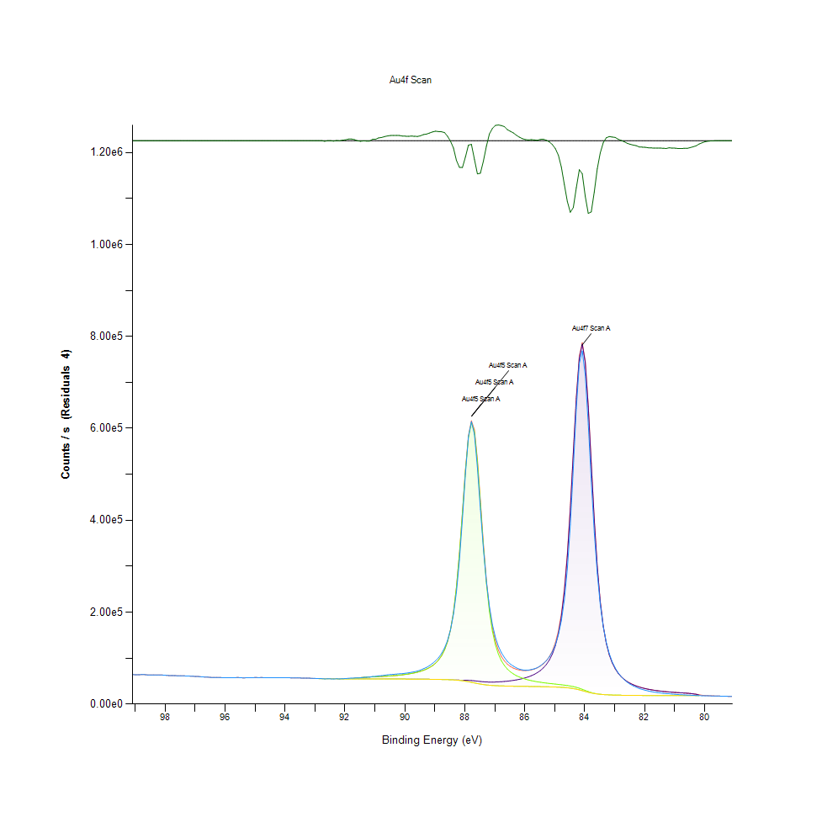
Unprocessed Data |  |  |  |  |  |  | Processed Data

Binding Energy | Raw Data | Au4f7 | Au4f5 | Backgnd. | Envelope | Residuals | Binding Energy (calibrated) | Raw Data (Normalised) | Au4f7 (Normalised) | Au4f5 (Normalised) | Backgnd. (Normalised) | Envelope (Normalised) | Residuals (Normalised)
eV | Counts / s | Counts / s | Counts / s | Counts / s | Counts / s | Counts / s (Residuals 4) | eV | Counts / s | Counts / s | Counts / s | Counts / s | Counts / s | Counts / s (Residuals 4)
99.08 | 64186.6 | 0 | 0 | 0 | 64186.6 | 0 | 99.08 | 0.059453505499 |  |  |  | 0.059453505499
98.98 | 63666.8 | 0 | 0 | 0 | 63666.8 | 0 | 98.98 | 0.058802938859 |  |  |  | 0.058802938859
98.88 | 63876.1 | 0 | 0 | 0 | 63876.1 | 0 | 98.88 | 0.059064892683 |  |  |  | 0.059064892683
98.78 | 64119.2 | 0 | 0 | 0 | 64119.2 | 0 | 98.78 | 0.059369149609 |  |  |  | 0.059369149609
98.68 | 63909.7 | 0 | 0 | 0 | 63909.7 | 0 | 98.68 | 0.059106945471 |  |  |  | 0.059106945471
98.58 | 63275 | 0 | 0 | 0 | 63275 | 0 | 98.58 | 0.058312573315 |  |  |  | 0.058312573315
98.48 | 63179.9 | 0 | 0 | 0 | 63179.9 | 0 | 98.48 | 0.058193548907 |  |  |  | 0.058193548907
98.38 | 63421.5 | 0 | 0 | 0 | 63421.5 | 0 | 98.38 | 0.058495928477 |  |  |  | 0.058495928477
98.28 | 63024.2 | 0 | 0 | 0 | 63024.2 | 0 | 98.28 | 0.057998679292 |  |  |  | 0.057998679292
98.18 | 62984.7 | 0 | 0 | 0 | 62984.7 | 0 | 98.18 | 0.057949242235 |  |  |  | 0.057949242235
98.08 | 63046.3 | 0 | 0 | 0 | 63046.3 | 0 | 98.08 | 0.058026339013 |  |  |  | 0.058026339013
97.98 | 62605.8 | 0 | 0 | 0 | 62605.8 | 0 | 97.98 | 0.057475021958 |  |  |  | 0.057475021958
97.88 | 62010.7 | 0 | 0 | 0 | 62010.7 | 0 | 97.88 | 0.056730212017 |  |  |  | 0.056730212017
97.78 | 62138.9 | 0 | 0 | 0 | 62138.9 | 0 | 97.78 | 0.056890663428 |  |  |  | 0.056890663428
97.68 | 61726.4 | 0 | 0 | 0 | 61726.4 | 0 | 97.68 | 0.056374390363 |  |  |  | 0.056374390363
97.58 | 61534 | 0 | 0 | 0 | 61534 | 0 | 97.58 | 0.05613358809 |  |  |  | 0.05613358809
97.48 | 61463.5 | 0 | 0 | 0 | 61463.5 | 0 | 97.48 | 0.05604535233 |  |  |  | 0.05604535233
97.38 | 61489.7 | 0 | 0 | 0 | 61489.7 | 0 | 97.38 | 0.056078143492 |  |  |  | 0.056078143492
97.28 | 60891 | 0 | 0 | 0 | 60891 | 0 | 97.28 | 0.055328827894 |  |  |  | 0.055328827894
97.18 | 60786.5 | 0 | 0 | 0 | 60786.5 | 0 | 97.18 | 0.055198038718 |  |  |  | 0.055198038718
97.08 | 60493.3 | 0 | 0 | 0 | 60493.3 | 0 | 97.08 | 0.054831078082 |  |  |  | 0.054831078082
96.98 | 59995.4 | 0 | 0 | 0 | 59995.4 | 0 | 96.98 | 0.054207920848 |  |  |  | 0.054207920848
96.88 | 59890.5 | 0 | 0 | 0 | 59890.5 | 0 | 96.88 | 0.054076631043 |  |  |  | 0.054076631043
96.78 | 59155.7 | 0 | 0 | 0 | 59155.7 | 0 | 96.78 | 0.053156976624 |  |  |  | 0.053156976624
96.68 | 58784.4 | 0 | 0 | 0 | 58784.4 | 0 | 96.68 | 0.052692268287 |  |  |  | 0.052692268287
96.58 | 58587 | 0 | 0 | 0 | 58587 | 0 | 96.58 | 0.052445208159 |  |  |  | 0.052445208159
96.48 | 58025.2 | 0 | 0 | 0 | 58025.2 | 0 | 96.48 | 0.051742075534 |  |  |  | 0.051742075534
96.38 | 57935.7 | 0 | 0 | 0 | 57935.7 | 0 | 96.38 | 0.051630059923 |  |  |  | 0.051630059923
96.28 | 57881.8 | 0 | 0 | 0 | 57881.8 | 0 | 96.28 | 0.051562600243 |  |  |  | 0.051562600243
96.18 | 57610.8 | 0 | 0 | 0 | 57610.8 | 0 | 96.18 | 0.051223424484 |  |  |  | 0.051223424484
96.08 | 57434.2 | 0 | 0 | 0 | 57434.2 | 0 | 96.08 | 0.051002397034 |  |  |  | 0.051002397034
95.98 | 57302.2 | 0 | 0 | 0 | 57302.2 | 0 | 95.98 | 0.050837189653 |  |  |  | 0.050837189653
95.88 | 57217.7 | 0 | 0 | 0 | 57217.7 | 0 | 95.88 | 0.050731431898 |  |  |  | 0.050731431898
95.78 | 57567.2 | 0 | 0 | 0 | 57567.2 | 0 | 95.78 | 0.051168855986 |  |  |  | 0.051168855986
95.68 | 57354.5 | 0 | 0 | 0 | 57354.5 | 0 | 95.68 | 0.05090264682 |  |  |  | 0.05090264682
95.58 | 57797.7 | 0 | 0 | 0 | 57797.7 | 0 | 95.58 | 0.051457343116 |  |  |  | 0.051457343116
95.48 | 57233.2 | 0 | 0 | 0 | 57233.2 | 0 | 95.48 | 0.05075083125 |  |  |  | 0.05075083125
95.38 | 56994.7 | 0 | 0 | 0 | 56994.7 | 0 | 95.38 | 0.05045233155 |  |  |  | 0.05045233155
95.28 | 57243.1 | 0 | 0 | 0 | 57243.1 | 0 | 95.28 | 0.050763221803 |  |  |  | 0.050763221803
95.18 | 57551.7 | 0 | 0 | 0 | 57551.7 | 0 | 95.18 | 0.051149456634 |  |  |  | 0.051149456634
95.08 | 57484.6 | 0 | 0 | 0 | 57484.6 | 0 | 95.08 | 0.051065476216 |  |  |  | 0.051065476216
94.98 | 57630.1 | 0 | 0 | 0 | 57630.1 | 0 | 94.98 | 0.051247579806 |  |  |  | 0.051247579806
94.88 | 57471.7 | 0 | 0 | 0 | 57471.7 | 0 | 94.88 | 0.051049330949 |  |  |  | 0.051049330949
94.78 | 57621.7 | 0 | 0 | 0 | 57621.7 | 0 | 94.78 | 0.051237066609 |  |  |  | 0.051237066609
94.68 | 57349.8 | 0 | 0 | 0 | 57349.8 | 0 | 94.68 | 0.050896764436 |  |  |  | 0.050896764436
94.58 | 57523.7 | 0 | 0 | 0 | 57523.7 | 0 | 94.58 | 0.051114412644 |  |  |  | 0.051114412644
94.48 | 57119.7 | 0 | 0 | 0 | 57119.7 | 0 | 94.48 | 0.050608777934 |  |  |  | 0.050608777934
94.38 | 57283.9 | 0 | 0 | 0 | 57283.9 | 0 | 94.38 | 0.050814285903 |  |  |  | 0.050814285903
94.28 | 57586 | 0 | 0 | 0 | 57586 | 0 | 94.28 | 0.051192385522 |  |  |  | 0.051192385522
94.18 | 57245.8 | 0 | 0 | 0 | 57245.8 | 0 | 94.18 | 0.050766601045 |  |  |  | 0.050766601045
94.08 | 57332.1 | 0 | 0 | 0 | 57332.1 | 0 | 94.08 | 0.050874611628 |  |  |  | 0.050874611628
93.98 | 57311.2 | 0 | 0 | 0 | 57311.2 | 0 | 93.98 | 0.050848453793 |  |  |  | 0.050848453793
93.88 | 57342.8 | 0 | 0 | 0 | 57342.8 | 0 | 93.88 | 0.050888003439 |  |  |  | 0.050888003439
93.78 | 56903.3 | 0 | 0 | 0 | 56903.3 | 0 | 93.78 | 0.050337937955 |  |  |  | 0.050337937955
93.68 | 56974.3 | 0 | 0 | 0 | 56974.3 | 0 | 93.68 | 0.050426799501 |  |  |  | 0.050426799501
93.58 | 57059.3 | 0 | 0 | 0 | 57059.3 | 0 | 93.58 | 0.050533183041 |  |  |  | 0.050533183041
93.48 | 56688.6 | 0 | 0 | 0 | 56688.6 | 0 | 93.48 | 0.050069225647 |  |  |  | 0.050069225647
93.38 | 56561.8 | 0 | 0 | 0 | 56561.8 | 0 | 93.38 | 0.049910526436 |  |  |  | 0.049910526436
93.28 | 56379.6 | 0 | 0 | 0 | 56379.6 | 0 | 93.28 | 0.049682490188 |  |  |  | 0.049682490188
93.18 | 56345.5 | 0 | 0 | 0 | 56345.5 | 0 | 93.18 | 0.049639811615 |  |  |  | 0.049639811615
93.08 | 55724.5 | 0 | 0 | 0 | 55724.5 | -3.81E-09 | 93.08 | 0.048862585983 |  |  |  | 0.048862585983 | -0.020880585877
92.98 | 55669.9 | 55642.7 | 55642.7 | 55642.7 | 55642.7 | 27.1382 | 92.98 | 0.048794250202 | 0.048760207469 | 0.048760207469 | 0.048760207469 | 0.048760207469 | -0.020846620492
92.88 | 55246.1 | 55210.5 | 55210.5 | 55210.5 | 55210.5 | 35.5575 | 92.88 | 0.048263834385 | 0.048219278455 | 0.048219278455 | 0.048219278455 | 0.048219278455 | -0.020836083139
92.78 | 55227.8 | 55141.2 | 55141.2 | 55141.2 | 55141.2 | 86.5942 | 92.78 | 0.048240930634 | 0.04813254458 | 0.04813254458 | 0.04813254458 | 0.04813254458 | -0.020772207082
92.68 | 54698.3 | 54967.4 | 54967.4 | 54967.4 | 54967.4 | -269.052 | 92.68 | 0.047578223755 | 0.047915021529 | 0.047915021529 | 0.047915021529 | 0.047915021529 | -0.021217323576
92.58 | 54863.8 | 54830.4 | 54830.4 | 54830.4 | 54830.4 | 33.4367 | 92.58 | 0.047785358766 | 0.047743556293 | 0.047743556293 | 0.047743556293 | 0.047743556293 | -0.020838737471
92.48 | 54800.9 | 54760.1 | 54760.2 | 54760.1 | 54760.2 | 40.7026 | 92.48 | 0.047706634946 | 0.047655570847 | 0.047655696004 | 0.047655570847 | 0.047655696004 | -0.020829643681
92.38 | 54561.2 | 54754.3 | 54754.8 | 54754.3 | 54754.8 | -193.587 | 92.38 | 0.047406633362 | 0.047648311735 | 0.04764893752 | 0.047648311735 | 0.04764893752 | -0.021122873765
92.28 | 54876.4 | 54748.5 | 54751 | 54748.5 | 54751 | 125.409 | 92.28 | 0.047801128562 | 0.047641052622 | 0.04764418155 | 0.047641052622 | 0.04764418155 | -0.020723627602
92.18 | 54713.6 | 54742.4 | 54754.2 | 54742.4 | 54754.2 | -40.6303 | 92.18 | 0.047597372792 | 0.047633418039 | 0.047648186577 | 0.047633418039 | 0.047648186577 | -0.020931437585
92.08 | 55134.1 | 54736 | 54781.1 | 54736 | 54781.1 | 352.945 | 92.08 | 0.048123658425 | 0.047625407984 | 0.047681853839 | 0.047625407984 | 0.047681853839 | -0.020438850128
91.98 | 55403.5 | 54728.7 | 54869.4 | 54728.7 | 54869.4 | 534.092 | 91.98 | 0.04846083167 | 0.047616271515 | 0.047792367564 | 0.047616271515 | 0.047792367564 | -0.020212131784
91.88 | 56009.5 | 54720.5 | 55080.6 | 54720.5 | 55080.6 | 928.913 | 91.88 | 0.049219283736 | 0.047606008632 | 0.048056699373 | 0.047606008632 | 0.048056699373 | -0.019717985244
91.78 | 56424.8 | 54711.3 | 55475.3 | 54711.3 | 55475.3 | 949.523 | 91.78 | 0.0497390612 | 0.047594494179 | 0.048550694473 | 0.047594494179 | 0.048550694473 | -0.019692190364
91.68 | 56674.2 | 54701.1 | 56063.8 | 54701.1 | 56063.8 | 610.379 | 91.68 | 0.050051203024 | 0.047581728154 | 0.049287244045 | 0.047581728154 | 0.049287244045 | -0.020116653182
91.58 | 56757.3 | 54689.9 | 56772 | 54689.9 | 56772 | -14.665 | 91.58 | 0.050155208579 | 0.047567710558 | 0.050173606674 | 0.047567710558 | 0.050173606674 | -0.020898940167
91.48 | 57198.8 | 54677.5 | 57471.1 | 54677.5 | 57471.1 | -272.229 | 91.48 | 0.050707777205 | 0.047552191077 | 0.051048580006 | 0.047552191077 | 0.051048580006 | -0.021221299817
91.38 | 58021.3 | 54664.1 | 58055.5 | 54664.1 | 58055.5 | -34.1791 | 91.38 | 0.051737194407 | 0.047535420024 | 0.051779998137 | 0.047535420024 | 0.051779998137 | -0.02092336345
91.28 | 58336.1 | 54649.5 | 58497 | 54649.5 | 58497 | -160.823 | 91.28 | 0.052131188978 | 0.047517147087 | 0.052332566763 | 0.047517147087 | 0.052332566763 | -0.021081867291
91.18 | 58674.2 | 54633.1 | 58832.4 | 54633.1 | 58832.4 | -158.203 | 91.18 | 0.052554345156 | 0.047496621321 | 0.052752343698 | 0.047496621321 | 0.052752343698 | -0.021078588175
91.08 | 59959.3 | 54615.1 | 59119 | 54615.1 | 59119 | 840.371 | 91.08 | 0.054162739132 | 0.047474093042 | 0.053111043966 | 0.047474093042 | 0.053111043966 | -0.019828801849
90.98 | 60217.5 | 54595.2 | 59399.4 | 54595.2 | 59399.4 | 818.174 | 90.98 | 0.054485894782 | 0.047449186778 | 0.053461984493 | 0.047449186778 | 0.053461984493 | -0.019856582972
90.88 | 61274.6 | 54573.4 | 59696.6 | 54573.4 | 59696.6 | 1577.91 | 90.88 | 0.055808930555 | 0.047421902529 | 0.053833951413 | 0.047421902529 | 0.053833951413 | -0.018905719377
90.78 | 61831.3 | 54549.4 | 60021.6 | 54549.4 | 60021.6 | 1809.68 | 90.78 | 0.056505680168 | 0.047391864823 | 0.05424071201 | 0.047391864823 | 0.05424071201 | -0.018615642751
90.68 | 62660.6 | 54523.5 | 60380.9 | 54523.5 | 60380.9 | 2279.67 | 90.68 | 0.057543608053 | 0.047359449133 | 0.054690401494 | 0.047359449133 | 0.054690401494 | -0.018027416866
90.58 | 63445 | 54495.3 | 60780.3 | 54495.3 | 60780.3 | 2664.69 | 90.58 | 0.058525340397 | 0.047324154828 | 0.055190278977 | 0.047324154828 | 0.055190278977 | -0.017545536974
90.48 | 64132.2 | 54465.3 | 61226.6 | 54465.3 | 61226.6 | 2905.63 | 90.48 | 0.059385420033 | 0.047286607696 | 0.055748855144 | 0.047286607696 | 0.055748855144 | -0.017243983441
90.38 | 64636.5 | 54433.3 | 61727.3 | 54433.3 | 61727.3 | 2909.19 | 90.38 | 0.060016587322 | 0.047246557422 | 0.056375516777 | 0.047246557422 | 0.056375516777 | -0.017239527848
90.28 | 65255.6 | 54399.5 | 62292.1 | 54399.5 | 62292.1 | 2963.57 | 90.28 | 0.060791434969 | 0.04720425432 | 0.057082404115 | 0.04720425432 | 0.057082404115 | -0.017171467414
90.18 | 65837.4 | 54364.1 | 62932.3 | 54364.1 | 62932.3 | 2905.07 | 90.18 | 0.061519599015 | 0.047159948705 | 0.057883659911 | 0.047159948705 | 0.057883659911 | -0.017244684321
90.08 | 66233.7 | 54327.1 | 63662 | 54327.1 | 63662 | 2571.62 | 90.08 | 0.062015596628 | 0.047113640575 | 0.058796931318 | 0.047113640575 | 0.058796931318 | -0.017662020693
89.98 | 67007.2 | 54288.1 | 64498.1 | 54288.1 | 64498.1 | 2509.04 | 89.98 | 0.062983686848 | 0.047064829304 | 0.059843369886 | 0.047064829304 | 0.059843369886 | -0.01774034401
89.88 | 67914.2 | 54247 | 65461.8 | 54247 | 65461.8 | 2452.42 | 89.88 | 0.064118861804 | 0.047013389733 | 0.061049508922 | 0.047013389733 | 0.061049508922 | -0.017811207964
89.78 | 69152.1 | 54203.4 | 66579.8 | 54203.4 | 66579.8 | 2572.23 | 89.78 | 0.065668181627 | 0.046958821234 | 0.062448765374 | 0.046958821234 | 0.062448765374 | -0.017661257235
89.68 | 70337.6 | 54156.6 | 67886.4 | 54156.6 | 67886.4 | 2451.11 | 89.68 | 0.067151919125 | 0.046900247708 | 0.064084068129 | 0.046900247708 | 0.064084068129 | -0.017812847522
89.58 | 71784.7 | 54106 | 69425.7 | 54106 | 69425.7 | 2358.93 | 89.58 | 0.068963067615 | 0.046836918213 | 0.06601061147 | 0.046836918213 | 0.06601061147 | -0.017928217343
89.48 | 73998 | 54050.5 | 71255.7 | 54050.5 | 71255.7 | 2742.31 | 89.48 | 0.071733169855 | 0.046767456018 | 0.068300986521 | 0.046767456018 | 0.068300986521 | -0.017448390028
89.38 | 76867.7 | 53989.1 | 73454.2 | 53989.1 | 73454.2 | 3413.47 | 89.38 | 0.075324803343 | 0.046690609555 | 0.071052565509 | 0.046690609555 | 0.071052565509 | -0.016608385591
89.28 | 79788 | 53920.5 | 76127 | 53920.5 | 76127 | 3661 | 89.28 | 0.078979766326 | 0.04660475178 | 0.074397764654 | 0.04660475178 | 0.074397764654 | -0.016298584205
89.18 | 83676.3 | 53842.9 | 79421.3 | 53842.9 | 79421.3 | 4254.97 | 89.18 | 0.083846250102 | 0.046507629865 | 0.078520815216 | 0.046507629865 | 0.078520815216 | -0.015555188539
89.08 | 88393.9 | 53754.4 | 83547 | 53754.4 | 83547 | 4846.84 | 89.08 | 0.089750661762 | 0.046396865826 | 0.083684421963 | 0.046396865826 | 0.083684421963 | -0.014814421173
88.98 | 94078.8 | 53653 | 88811.9 | 53653 | 88811.9 | 5266.94 | 88.98 | 0.096865718114 | 0.04626995652 | 0.090273818467 | 0.04626995652 | 0.090273818467 | -0.014288636168
88.88 | 100743 | 53535.4 | 95679 | 53535.4 | 95679 | 5063.87 | 88.88 | 0.10520643801 | 0.046122771762 | 0.098868482134 | 0.046122771762 | 0.098868482134 | -0.014542792704
88.78 | 109794 | 53397.3 | 104868 | 53397.2 | 104868 | 4926.26 | 88.78 | 0.11653440773 | 0.045949929798 | 0.11036916866 | 0.045949804641 | 0.11036916866 | -0.014715021398
88.68 | 122022 | 53233.1 | 117522 | 53232.3 | 117523 | 4498.96 | 88.68 | 0.13183861872 | 0.045744421829 | 0.12620654893 | 0.045743420572 | 0.1262078005 | -0.015249817715
88.58 | 137978 | 53035.9 | 135470 | 53031.3 | 135475 | 2503.19 | 88.58 | 0.15180868665 | 0.045497612015 | 0.14866974642 | 0.045491854788 | 0.14867600427 | -0.017747665701
88.48 | 161335 | 52800.2 | 161531 | 52779.5 | 161551 | -216.374 | 88.48 | 0.18104163203 | 0.045202616715 | 0.18128693996 | 0.045176709194 | 0.18131197138 | -0.021151393315
88.38 | 195708 | 52532.2 | 199632 | 52456.1 | 199708 | -4000.11 | 88.38 | 0.22406188428 | 0.044867195669 | 0.22897304914 | 0.044771951111 | 0.22906816855 | -0.025887007814
88.28 | 243587 | 52258.7 | 254129 | 52030.4 | 254357 | -10770.4 | 88.28 | 0.28398585534 | 0.044524890983 | 0.29717991752 | 0.044239157308 | 0.29746527572 | -0.034360506885
88.18 | 313523 | 52026.2 | 327510 | 51463.3 | 328073 | -14549.4 | 88.18 | 0.37151572941 | 0.04423390071 | 0.38902145391 | 0.043529391357 | 0.38972608842 | -0.039090193943
88.08 | 402896 | 51868.3 | 416400 | 50714.8 | 417554 | -14658 | 88.08 | 0.48337239028 | 0.044036277638 | 0.50027360595 | 0.042592590414 | 0.50171791896 | -0.039226114561
87.98 | 501040 | 51753.9 | 507944 | 49760.1 | 509938 | -8897.98 | 87.98 | 0.60620658097 | 0.043893097908 | 0.6148474276 | 0.041397715517 | 0.61734306031 | -0.03201704019
87.88 | 581245 | 51571.4 | 580689 | 48606.6 | 583654 | -2408.6 | 87.88 | 0.7065888383 | 0.043664686189 | 0.70589296479 | 0.039954028293 | 0.709603873 | -0.023895119947
87.78 | 614505 | 51197.8 | 612568 | 47305.3 | 616460 | -1955.51 | 87.78 | 0.74821609195 | 0.043197099239 | 0.7457917988 | 0.038325358865 | 0.75066291339 | -0.023328045612
87.68 | 587022 | 50594.7 | 592473 | 45942 | 597126 | -10103.4 | 87.68 | 0.71381916435 | 0.042442276729 | 0.72064147823 | 0.036619092031 | 0.7264650384 | -0.033525708984
87.58 | 514016 | 49844.5 | 526914 | 44616.1 | 532143 | -18127.3 | 87.58 | 0.62244696712 | 0.041503348115 | 0.63858973072 | 0.034959633955 | 0.64513419583 | -0.04356819006
87.48 | 424040 | 49095.6 | 436112 | 43416.1 | 441792 | -17751.6 | 87.48 | 0.50983560889 | 0.040566046544 | 0.5249445748 | 0.033457748675 | 0.53205349846 | -0.04309797481
87.38 | 337845 | 48478.5 | 342872 | 42397.5 | 348953 | -11108 | 87.38 | 0.40195644087 | 0.039793702039 | 0.40824808862 | 0.032182898388 | 0.41585889227 | -0.034783037277
87.28 | 266408 | 48059.3 | 262899 | 41574.9 | 269384 | -2975.45 | 87.28 | 0.31254795864 | 0.039269043449 | 0.30815619577 | 0.031153356029 | 0.31627263413 | -0.024604573005
87.18 | 212608 | 47847.7 | 201972 | 40931 | 208889 | 3719.32 | 87.18 | 0.24521343529 | 0.039004211011 | 0.23190172544 | 0.03034746942 | 0.2405588425 | -0.016225592581
87.08 | 172894 | 47823.8 | 158753 | 40433.3 | 166143 | 6750.27 | 87.08 | 0.19550854199 | 0.038974298463 | 0.17781007554 | 0.0297245625 | 0.18705918572 | -0.012432143259
86.98 | 145374 | 47961.2 | 129032 | 40046.6 | 136947 | 8426.96 | 86.98 | 0.16106530625 | 0.039146264327 | 0.14061213189 | 0.029240579969 | 0.15051831688 | -0.010333646568
86.88 | 125733 | 48237.4 | 108580 | 39741 | 117076 | 8656.96 | 86.88 | 0.13648319895 | 0.039491948255 | 0.11501500045 | 0.028858099851 | 0.12564834823 | -0.010045785223
86.78 | 111692 | 48638.5 | 94212.9 | 39493.6 | 103358 | 8334.23 | 86.78 | 0.11890988961 | 0.03999395341 | 0.097033553794 | 0.02854846117 | 0.10847929635 | -0.010449704753
86.68 | 101451 | 49159 | 83822.2 | 39287.9 | 93693.3 | 7757.42 | 86.68 | 0.10609255033 | 0.04064539615 | 0.08402885432 | 0.028291013001 | 0.096383237468 | -0.01117162346
86.58 | 92845.6 | 49800.3 | 76080.4 | 39112.7 | 86768 | 6077.64 | 86.58 | 0.095322280676 | 0.041448028674 | 0.074339441442 | 0.028071737751 | 0.087715732366 | -0.013273987505
86.48 | 86973.1 | 50570.2 | 70154.5 | 38960 | 81764.8 | 5208.29 | 86.48 | 0.087972429592 | 0.042411613238 | 0.066922756463 | 0.027880622849 | 0.081453872009 | -0.014362040811
86.38 | 82465.6 | 51482.6 | 65511.9 | 38824.3 | 78170.2 | 4295.39 | 86.38 | 0.082330973012 | 0.043553546678 | 0.061112212633 | 0.027710784655 | 0.076954974656 | -0.015504600037
86.28 | 78705.5 | 52557.6 | 61801.4 | 38701.8 | 75657.2 | 3048.24 | 86.28 | 0.077624940647 | 0.044898985574 | 0.056468258193 | 0.0275574672 | 0.073809776567 | -0.017065496892
86.18 | 75986.6 | 53821.4 | 58784 | 38588.7 | 74016.6 | 1970.02 | 86.18 | 0.074222044076 | 0.046480721087 | 0.052691767659 | 0.027415914512 | 0.071756449077 | -0.018414965846
86.08 | 74268.1 | 55309.3 | 56292.5 | 38482.6 | 73119.2 | 1148.9 | 86.08 | 0.0720712192 | 0.048342933676 | 0.049573478348 | 0.027283122822 | 0.070633289202 | -0.01944265588
85.98 | 73547.6 | 57067.3 | 54207.1 | 38380.7 | 72893.7 | 653.937 | 85.98 | 0.071169462247 | 0.05054319561 | 0.046963452047 | 0.02715558773 | 0.070351059927 | -0.020062137249
85.88 | 73775.3 | 59155.9 | 52439.1 | 38280.5 | 73314.5 | 460.755 | 85.88 | 0.071454444978 | 0.053157226938 | 0.044750674403 | 0.02703018031 | 0.070877721031 | -0.020303918251
...

C1s Scan
...
Binding Energy | Raw Data | C1s C-C | C1s C-O-C | C1s C=O | C1s O=C-O | Backgnd. | Envelope | Residuals | Binding Energy (calibrated) | Raw Data (Normalised) | C1s C-C (Normalised) | C1s C-O-C (Normalised) | C1s C=O (Normalised) | C1s O=C-O (Normalised) | Backgnd. (Normalised) | Envelope (Normalised) | Residuals (Normalised)
294.08 | 46247.6 | 0 | 0 | 0 | 0 | 0 | 46247.6 | -3.09E-05 | 294.08 | 5.7321954817E-05 |  |  |  |  |  | 5.7321954817E-05 | -0.05782483611
293.98 | 46278 | 0 | 0 | 0 | 0 | 0 | 46278 | -7.67E-05 | 293.98 | 9.5369715219E-05 |  |  |  |  |  | 9.5369715219E-05 | -0.057824836167
293.88 | 46217 | 0 | 0 | 0 | 0 | 0 | 46217 | -0.000185118 | 293.88 | 1.9023880201E-05 |  |  |  |  |  | 1.9023880201E-05 | -0.057824836303
293.78 | 46346.4 | 0 | 0 | 0 | 0 | 0 | 46346.4 | -0.000433385 | 293.78 | 0.00018097717612 |  |  |  |  |  | 0.00018097717612 | -0.057824836614
293.68 | 46223.4 | 0 | 0 | 0 | 0 | 0 | 46223.4 | -0.00098459 | 293.68 | 2.7033935023E-05 |  |  |  |  |  | 2.7033935023E-05 | -0.057824837303
293.58 | 46330.5 | 0 | 0 | 0 | 0 | 0 | 46330.5 | -0.00217093 | 293.58 | 0.00016107719618 |  |  |  |  |  | 0.00016107719618 | -0.057824838788
293.48 | 46304.8 | 0 | 0 | 0 | 0 | 0 | 46304.8 | -0.00464625 | 293.48 | 0.00012891181978 |  |  |  |  |  | 0.00012891181978 | -0.057824841886
293.38 | 46313.3 | 0 | 0 | 0 | 0 | 0 | 46313.4 | -0.00965369 | 293.38 | 0.00013955017384 |  |  |  |  |  | 0.00013967533095 | -0.057824848153
293.28 | 46282.3 | 0 | 0 | 0 | 0 | 0 | 46282.3 | -0.0194756 | 293.28 | 0.0001007514708 |  |  |  |  |  | 0.0001007514708 | -0.057824860446
293.18 | 46270.5 | 0 | 0 | 0 | 0 | 0 | 46270.5 | -0.0381575 | 293.18 | 8.5982932225E-05 |  |  |  |  |  | 8.5982932225E-05 | -0.057824883828
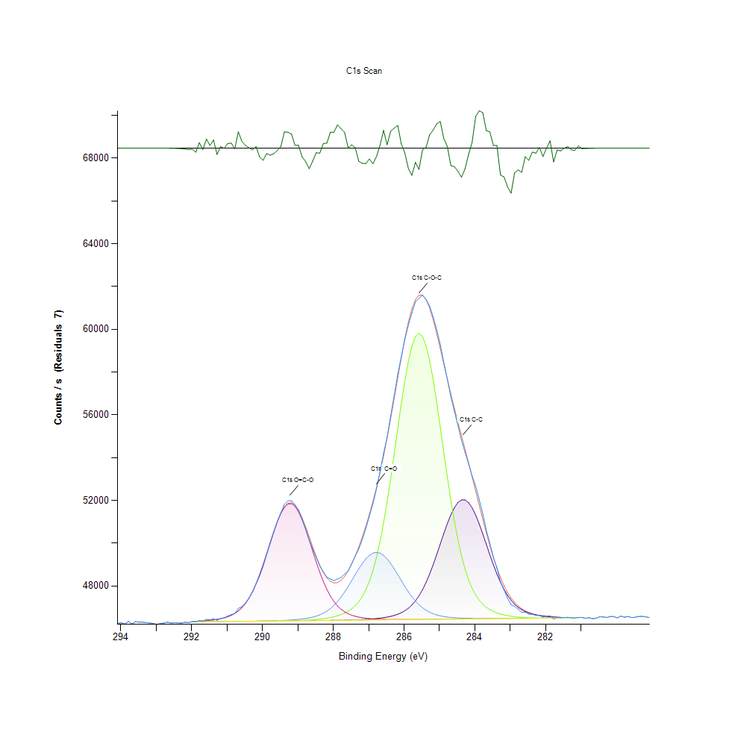
293.08 | 46240.5 | 0 | 0 | 0 | 0 | 0 | 46240.5 | -0.0726191 | 293.08 | 4.8435800249E-05 |  |  |  |  |  | 4.8435800249E-05 | -0.057824926959
292.98 | 46201.8 | 0 | 0 | 0 | 0 | 0 | 46201.9 | -0.13428 | 292.98 | 0 |  |  |  |  |  | 1.2515710659E-07 | -0.057825004132
292.88 | 46237.2 | 0 | 0 | 0 | 0 | 0 | 46237.4 | -0.241312 | 292.88 | 4.4305615732E-05 |  |  |  |  |  | 4.4555929945E-05 | -0.05782513809
292.78 | 46265.7 | 0 | 0 | 0 | 0 | 0 | 46266.1 | -0.421594 | 292.78 | 7.9975391109E-05 |  |  |  |  |  | 8.0476019535E-05 | -0.057825363726
292.68 | 46307.5 | 0 | 0 | 0 | 0 | 0 | 46308.2 | -0.71633 | 292.68 | 0.00013229106166 |  |  |  |  |  | 0.00013316716141 | -0.057825732609
292.58 | 46267.7 | 0 | 0 | 0 | 0 | 0 | 46268.9 | -1.18418 | 292.58 | 8.2478533241E-05 |  |  |  |  |  | 8.398041852E-05 | -0.057826318157
292.48 | 46279.9 | 0 | 0 | 0 | 0 | 0 | 46281.8 | -1.90555 | 292.48 | 9.7747700244E-05 |  |  |  |  |  | 0.00010012568527 | -0.057827221002
292.38 | 46274.6 | 0 | 0 | 0 | 0 | 0 | 46277.6 | -2.98653 | 292.38 | 9.1114373595E-05 |  |  |  |  |  | 9.4869086793E-05 | -0.057828573926
292.28 | 46259.7 | 0 | 0 | 0 | 0 | 0 | 46264.3 | -4.56198 | 292.28 | 7.2465964714E-05 |  |  |  |  |  | 7.8223191617E-05 | -0.057830545713
292.18 | 46300.7 | 0 | 0 | 0 | 0 | 0 | 46307.5 | -6.79711 | 292.18 | 0.00012378037841 |  |  |  |  |  | 0.00013229106166 | -0.057833343137
292.08 | 46278.8 | 0 | 0 | 0 | 0 | 0 | 46288.7 | -9.88776 | 292.08 | 9.6370972072E-05 |  |  |  |  |  | 0.00010876152562 | -0.057837211305
291.98 | 46328.4 | 46322.8 | 46322.8 | 46322.8 | 46336.8 | 46322.8 | 46336.8 | -8.3956 | 291.98 | 0.00015844889694 | 0.00015144009897 | 0.00015144009897 | 0.00015144009897 | 0.00016896209389 | 0.00015144009897 | 0.00016896209389 | -0.057835343761
291.88 | 46314.6 | 46324.5 | 46324.5 | 46324.5 | 46344 | 46324.5 | 46344 | -29.441 | 291.88 | 0.00014117721623 | 0.00015356776978 | 0.00015356776978 | 0.00015356776978 | 0.00017797340557 | 0.00015356776978 | 0.00017797340557 | -0.057861683575
291.78 | 46391.2 | 46326.2 | 46326.2 | 46326.2 | 46352.9 | 46326.2 | 46352.9 | 38.3323 | 291.78 | 0.00023704755988 | 0.00015569544059 | 0.00015569544059 | 0.00015569544059 | 0.00018911238805 | 0.00015569544059 | 0.00018911238805 | -0.057776860474
291.68 | 46353.2 | 46327.9 | 46327.9 | 46327.9 | 46363.7 | 46327.9 | 46363.7 | -10.5388 | 291.68 | 0.00018948785937 | 0.00015782311141 | 0.00015782311141 | 0.00015782311141 | 0.00020262935556 | 0.00015782311141 | 0.00020262935556 | -0.057838026128
291.58 | 46440.8 | 46329.6 | 46329.6 | 46329.6 | 46376.9 | 46329.6 | 46376.9 | 63.872 | 291.58 | 0.00029912548474 | 0.00015995078222 | 0.00015995078222 | 0.00015995078222 | 0.00021915009363 | 0.00015995078222 | 0.00021915009363 | -0.057744895724
291.48 | 46411.3 | 46331.4 | 46331.4 | 46331.4 | 46393.1 | 46331.4 | 46393.1 | 18.2478 | 291.48 | 0.0002622041383 | 0.00016220361014 | 0.00016220361014 | 0.00016220361014 | 0.0002394255449 | 0.00016220361014 | 0.0002394255449 | -0.057801997653
291.38 | 46470.8 | 46333.1 | 46333.1 | 46333.1 | 46412.9 | 46333.1 | 46412.9 | 57.9554 | 291.38 | 0.00033667261672 | 0.00016433128095 | 0.00016433128095 | 0.00016433128095 | 0.00026420665201 | 0.00016433128095 | 0.00026420665201 | -0.057752300769
291.28 | 46391.9 | 46334.8 | 46334.8 | 46334.8 | 46437.4 | 46334.8 | 46437.4 | -45.5001 | 291.28 | 0.00023792365962 | 0.00016645895176 | 0.00016645895176 | 0.00016645895176 | 0.00029487014312 | 0.00016645895176 | 0.00029487014312 | -0.05788178268
291.18 | 46478.4 | 46336.5 | 46336.5 | 46336.5 | 46468.3 | 46336.5 | 46468.3 | 10.1241 | 291.18 | 0.00034618455682 | 0.00016858662257 | 0.00016858662257 | 0.00016858662257 | 0.00033354368905 | 0.00016858662257 | 0.00033354368905 | -0.05781216504
291.08 | 46506 | 46338.3 | 46338.3 | 46338.3 | 46507.7 | 46338.3 | 46507.8 | -1.78594 | 291.08 | 0.00038072791824 | 0.00017083945049 | 0.00017083945049 | 0.00017083945049 | 0.00038285558905 | 0.00017083945049 | 0.00038298074616 | -0.057827071302
290.98 | 46590 | 46340 | 46340 | 46340 | 46558.9 | 46340 | 46558.9 | 31.1173 | 290.98 | 0.00048585988777 | 0.0001729671213 | 0.0001729671213 | 0.0001729671213 | 0.00044693602762 | 0.0001729671213 | 0.00044693602762 | -0.057785890559
290.88 | 46661.3 | 46341.7 | 46341.7 | 46341.8 | 46625.9 | 46341.7 | 46625.9 | 35.4215 | 290.88 | 0.00057509690477 | 0.00017509479212 | 0.00017509479212 | 0.00017521994922 | 0.00053079128904 | 0.00017509479212 | 0.00053079128904 | -0.057780503547
290.78 | 46708.2 | 46343.4 | 46343.4 | 46343.5 | 46714.1 | 46343.4 | 46714.3 | -6.05229 | 290.78 | 0.00063379558776 | 0.00017722246293 | 0.00017722246293 | 0.00017734762003 | 0.00064117985705 | 0.00017722246293 | 0.00064143017126 | -0.057832410942
290.68 | 46946.3 | 46345.1 | 46345.1 | 46345.4 | 46830.4 | 46345.1 | 46830.6 | 115.714 | 290.68 | 0.00093179465854 | 0.00017935013374 | 0.00017935013374 | 0.00017972560506 | 0.00078673757201 | 0.00017935013374 | 0.00078698788622 | -0.057680011777
290.58 | 47030.6 | 46346.9 | 46346.9 | 46347.2 | 46982.1 | 46346.9 | 46982.4 | 48.1938 | 290.58 | 0.0010373020994 | 0.00018160296166 | 0.00018160296166 | 0.00018197843298 | 0.0009766009027 | 0.00018160296166 | 0.00097697637402 | -0.057764518105
290.48 | 47197.5 | 46348.6 | 46348.6 | 46349.1 | 47177.4 | 46348.6 | 47178 | 19.5825 | 290.48 | 0.0012461893103 | 0.00018373063247 | 0.00018373063247 | 0.000184356418 | 0.0012210327319 | 0.00018373063247 | 0.0012217836745 | -0.057800327181
290.38 | 47427.3 | 46350.3 | 46350.3 | 46351.2 | 47424 | 46350.3 | 47424.8 | 2.44998 | 290.38 | 0.0015338003412 | 0.00018585830328 | 0.00018585830328 | 0.00018698471724 | 0.0015296701567 | 0.00018585830328 | 0.0015306714136 | -0.057821769747
290.28 | 47716.5 | 46352 | 46352 | 46353.4 | 47727.8 | 46352 | 47729.1 | -12.653 | 290.28 | 0.0018957546935 | 0.00018798597409 | 0.00018798597409 | 0.00018973817359 | 0.0019098974465 | 0.00018798597409 | 0.0019115244889 | -0.0578406722
290.18 | 48105.3 | 46353.8 | 46353.8 | 46355.8 | 48091.9 | 46353.8 | 48093.9 | 11.3609 | 290.18 | 0.0023823655239 | 0.00019023880201 | 0.00019023880201 | 0.00019274194414 | 0.0023655944716 | 0.00019023880201 | 0.0023680976137 | -0.057810617097
290.08 | 48455.2 | 46355.5 | 46355.5 | 46358.4 | 48514.5 | 46355.5 | 48517.5 | -62.2809 | 290.08 | 0.0028202902398 | 0.00019236647282 | 0.00019236647282 | 0.00019599602892 | 0.002894508404 | 0.00019236647282 | 0.0028982631172 | -0.057902785043
289.98 | 48905.4 | 46357.2 | 46357.2 | 46361.4 | 48987.9 | 46357.2 | 48992.2 | -86.7797 | 289.98 | 0.0033837475337 | 0.00019449414364 | 0.00019449414364 | 0.00019975074211 | 0.0034870021466 | 0.00019449414364 | 0.0034923839022 | -0.057933447033
289.88 | 49465 | 46358.9 | 46359 | 46364.8 | 49497.3 | 46358.9 | 49503.3 | -38.3877 | 289.88 | 0.0040841267021 | 0.00019662181445 | 0.00019674697155 | 0.00020400608374 | 0.0041245524476 | 0.00019662181445 | 0.004132061874 | -0.057872881006
289.78 | 49979.2 | 46360.6 | 46360.8 | 46368.8 | 50021.2 | 46360.6 | 50029.5 | -50.3489 | 289.78 | 0.0047276845442 | 0.00019874948526 | 0.00019899979947 | 0.000209012368 | 0.004780250529 | 0.00019874948526 | 0.0047906385688 | -0.057887851298
289.68 | 50503 | 46362.4 | 46362.7 | 46373.4 | 50531.9 | 46362.4 | 50543.2 | -40.2815 | 289.68 | 0.0053832574685 | 0.00020100231318 | 0.0002013777845 | 0.0002147695949 | 0.0054194278723 | 0.00020100231318 | 0.0054335706254 | -0.057875251231
289.58 | 50995.6 | 46364.1 | 46364.6 | 46378.8 | 50998.1 | 46364.1 | 51013.4 | -17.7122 | 289.58 | 0.0059997813756 | 0.00020312998399 | 0.00020375576952 | 0.00022152807866 | 0.0060029103032 | 0.00020312998399 | 0.0060220593405 | -0.057847004148
289.48 | 51419.5 | 46365.8 | 46366.7 | 46385.1 | 51388 | 46365.8 | 51408.1 | 11.378 | 289.48 | 0.0065303223504 | 0.0002052576548 | 0.00020638406876 | 0.00022941297637 | 0.0064908978618 | 0.0002052576548 | 0.0065160544402 | -0.057810595696
289.38 | 51814 | 46367.5 | 46369 | 46392.4 | 51672.6 | 46367.5 | 51699 | 115.074 | 289.38 | 0.0070240671359 | 0.00020738532561 | 0.00020926268221 | 0.00023854944515 | 0.0068470949872 | 0.00020738532561 | 0.0068801364633 | -0.057680812782
289.28 | 51975.6 | 46369.3 | 46371.5 | 46401.1 | 51829.7 | 46369.3 | 51863.8 | 111.742 | 289.28 | 0.0072263210201 | 0.00020963815353 | 0.00021239160988 | 0.00024943811343 | 0.0070437168016 | 0.00020963815353 | 0.007086395375 | -0.057684983017
289.18 | 51990 | 46371 | 46374.6 | 46411.3 | 51846.7 | 46371 | 51890.6 | 99.3563 | 289.18 | 0.0072443436435 | 0.00021176582435 | 0.00021627148018 | 0.0002622041383 | 0.0070649935097 | 0.00021176582435 | 0.0071199374795 | -0.057700484601
289.08 | 51798.7 | 46372.7 | 46378.2 | 46423.4 | 51722.4 | 46372.7 | 51778.6 | 20.1063 | 289.08 | 0.0070049180986 | 0.00021389349516 | 0.00022077713602 | 0.0002773481482 | 0.0069094232262 | 0.00021389349516 | 0.0069797615201 | -0.057799671608
288.98 | 51558.3 | 46374.4 | 46382.7 | 46438.1 | 51466.9 | 46374.4 | 51538.9 | 19.4766 | 288.98 | 0.0067040404143 | 0.00021602116597 | 0.00022640920582 | 0.00029574624287 | 0.0065896468189 | 0.00021602116597 | 0.0066797599357 | -0.057800459722
288.88 | 51131.2 | 46376.2 | 46388.3 | 46456 | 51100.8 | 46376.1 | 51192.8 | -61.569 | 288.88 | 0.0061694944121 | 0.00021827399389 | 0.00023341800378 | 0.00031814936494 | 0.0061314466517 | 0.00021814883678 | 0.0062465911898 | -0.05790189405
288.78 | 50674.7 | 46377.9 | 46395.4 | 46478.3 | 50651.7 | 46377.9 | 50769.6 | -94.9305 | 288.78 | 0.0055981522205 | 0.0002204016647 | 0.00024230415835 | 0.00034605939971 | 0.005569366086 | 0.0002204016647 | 0.0057169263147 | -0.057943648338
288.68 | 50156.8 | 46379.6 | 46404.2 | 46506.5 | 50151.2 | 46379.6 | 50302.8 | -146.054 | 288.68 | 0.0049499635655 | 0.00022252933551 | 0.00025331798373 | 0.00038135370377 | 0.0049429547675 | 0.00022252933551 | 0.0051326929411 | -0.058007633032
288.58 | 49734.2 | 46381.4 | 46415.3 | 46542.5 | 49631.1 | 46381.3 | 49826.4 | -92.2086 | 288.58 | 0.0044210496331 | 0.00022478216343 | 0.00026721042256 | 0.00042641026214 | 0.0042920126562 | 0.00022465700632 | 0.0045364444854 | -0.057940241687
288.48 | 49339 | 46383.1 | 46429.1 | 46588.9 | 49120 | 46383 | 49372 | -33.0246 | 288.48 | 0.0039264287478 | 0.00022690983424 | 0.00028448210327 | 0.0004844831596 | 0.0036523346844 | 0.00022678467714 | 0.003967730593 | -0.057866168705
288.38 | 48930.1 | 46384.9 | 46446.2 | 46648.5 | 48640.9 | 46384.8 | 48966.2 | -36.0705 | 288.38 | 0.003414661339 | 0.00022916266216 | 0.0003058839685 | 0.00055907679512 | 0.0030527069868 | 0.00022903750505 | 0.0034598430545 | -0.057869980865
288.28 | 48661 | 46386.8 | 46467 | 46724.9 | 48210 | 46386.5 | 48629.2 | 31.8518 | 288.28 | 0.0030778635652 | 0.00023154064719 | 0.00033191664667 | 0.00065469682456 | 0.0025134050145 | 0.00023116517587 | 0.0030380636053 | -0.05778497128
288.18 | 48409.7 | 46388.7 | 46492.3 | 46821.8 | 47836.4 | 46388.2 | 48374.6 | 35.1434 | 288.18 | 0.0027633437563 | 0.00023391863221 | 0.00036358139464 | 0.00077597406084 | 0.0020458180643 | 0.00023329284668 | 0.0027194136119 | -0.057780851609
288.08 | 48322.7 | 46390.7 | 46523 | 46942.7 | 47523.3 | 46389.9 | 48209.9 | 112.771 | 288.08 | 0.0026544570736 | 0.00023642177434 | 0.00040200462636 | 0.0009272890027 | 0.0016539511635 | 0.00023542051749 | 0.0025132798574 | -0.05768369515
287.98 | 48249.7 | 46392.9 | 46560.3 | 47091 | 47268.3 | 46391.6 | 48137.5 | 112.145 | 287.98 | 0.0025630923858 | 0.00023917523069 | 0.00044868822711 | 0.0011128969918 | 0.0013348005418 | 0.0002375481883 | 0.0024226661122 | -0.057684478634
287.88 | 48320 | 46395.3 | 46605.7 | 47268.7 | 47066.1 | 46393.4 | 48155.7 | 164.319 | 287.88 | 0.0026510778317 | 0.00024217900125 | 0.0005055095535 | 0.0013353011702 | 0.0010817328722 | 0.00023980101622 | 0.0024454447056 | -0.057619179165
287.78 | 48396.8 | 46398 | 46661.5 | 47476.3 | 46909.2 | 46395.1 | 48259.7 | 137.004 | 287.78 | 0.0027471984896 | 0.00024555824312 | 0.00057534721898 | 0.0015951273235 | 0.000885361372 | 0.00024192868703 | 0.0025756080965 | -0.057653365829
287.68 | 48554.8 | 46401.1 | 46731.1 | 47712.1 | 46789.4 | 46396.8 | 48443.3 | 111.482 | 287.68 | 0.002944946718 | 0.00024943811343 | 0.00066245656516 | 0.0018902477808 | 0.00073542315831 | 0.00024405635784 | 0.0028053965441 | -0.057685308426
287.58 | 48701.1 | 46404.8 | 46818.9 | 47971.4 | 46699.2 | 46398.5 | 48698.8 | 2.34586 | 287.58 | 0.0031280515649 | 0.00025406892637 | 0.00077234450475 | 0.0022147801582 | 0.00062253144816 | 0.00024618402866 | 0.0031251729515 | -0.057821900061
287.48 | 49040.8 | 46409.1 | 46931.3 | 48246.7 | 46631.6 | 46400.3 | 49018 | 22.8566 | 287.48 | 0.003553210256 | 0.00025945068195 | 0.00091302109255 | 0.0025593376726 | 0.00053792524411 | 0.00024843685658 | 0.0035246744357 | -0.057796229412
287.38 | 49396 | 46414.3 | 47076.3 | 48527.6 | 46580.9 | 46402 | 49393.2 | 2.85581 | 287.38 | 0.0039977682986 | 0.0002659588515 | 0.0010944988971 | 0.002910903985 | 0.00047447059107 | 0.00025056452739 | 0.0039942638996 | -0.057821261822
287.28 | 49723.7 | 46420.5 | 47264.4 | 48800.9 | 46542.7 | 46403.7 | 49817.4 | -93.7294 | 287.28 | 0.0044079081369 | 0.00027371859211 | 0.0013299194146 | 0.0032529583573 | 0.00042666057635 | 0.0002526921982 | 0.0045251803458 | -0.057942145076
287.18 | 50177.3 | 46428 | 47508.1 | 49052.3 | 46513.7 | 46405.4 | 50285.8 | -108.526 | 287.18 | 0.0049756207724 | 0.0002831053751 | 0.0016349272833 | 0.0035676033233 | 0.00039036501544 | 0.00025481986901 | 0.005111416233 | -0.057960664073
287.08 | 50686.3 | 46437 | 47822 | 49267 | 46491.4 | 46407.1 | 50795.9 | -109.605 | 287.08 | 0.0056126704449 | 0.00029436951469 | 0.0020277954409 | 0.0038363156311 | 0.00036245498068 | 0.00025694753982 | 0.0057498426337 | -0.057962014518
...

O1s Scan
...
Binding Energy | Raw Data | O1s C=O | O1s H-O-C, SO4, NOx | O1s O-C=O, O-H | Backgnd. | Envelope | Residuals | Binding Energy (calibrated) | Raw Data (Normalised) | O1s C=O (Normalised) | O1s H-O-C, SO4, NOx (Normalised) | O1s O-C=O, O-H (Normalised) | Backgnd. (Normalised) | Envelope (Normalised) | Residuals (Normalised)
537.08 | 79352.4 | 0 | 0 | 0 | 0 | 79365 | -12.595 | 537.08 | 0.0037652263946 |  |  |  |  | 0.00378099619 | -0.09556570499
536.98 | 79404.1 | 0 | 0 | 0 | 0 | 79421.8 | -17.7011 | 536.98 | 0.0038299326187 |  |  |  |  | 0.0038520854265 | -0.095572095637
536.88 | 79586.9 | 0 | 0 | 0 | 0 | 79611.2 | -24.3184 | 536.88 | 0.0040587198095 |  |  |  |  | 0.0040891329864 | -0.095580377659
536.78 | 79348.6 | 0 | 0 | 0 | 0 | 79381.3 | -32.6958 | 536.78 | 0.0037604704245 |  |  |  |  | 0.0038013967984 | -0.09559086257
536.68 | 79341.3 | 0 | 0 | 0 | 0 | 79384.4 | -43.0774 | 536.68 | 0.0037513339557 |  |  |  |  | 0.0038052766687 | -0.09560385588
536.58 | 79294.4 | 0 | 0 | 0 | 0 | 79350.1 | -55.7037 | 536.58 | 0.0036926352727 |  |  |  |  | 0.0037623477811 | -0.095619658592
536.48 | 79164.1 | 0 | 0 | 0 | 0 | 79235 | -70.8244 | 536.48 | 0.0035295555629 |  |  |  |  | 0.0036182919514 | -0.095638583223
536.38 | 79355.3 | 0 | 0 | 0 | 0 | 79444.1 | -88.7273 | 536.38 | 0.0037688559507 |  |  |  |  | 0.0038799954613 | -0.095660989974
536.28 | 79242.4 | 0 | 0 | 0 | 0 | 79352.1 | -109.786 | 536.28 | 0.0036275535773 |  |  |  |  | 0.0037648509232 | -0.095687346434
536.18 | 79208.7 | 0 | 0 | 0 | 0 | 79343.2 | -134.532 | 536.18 | 0.0035853756324 |  |  |  |  | 0.0037537119408 | -0.095718317811
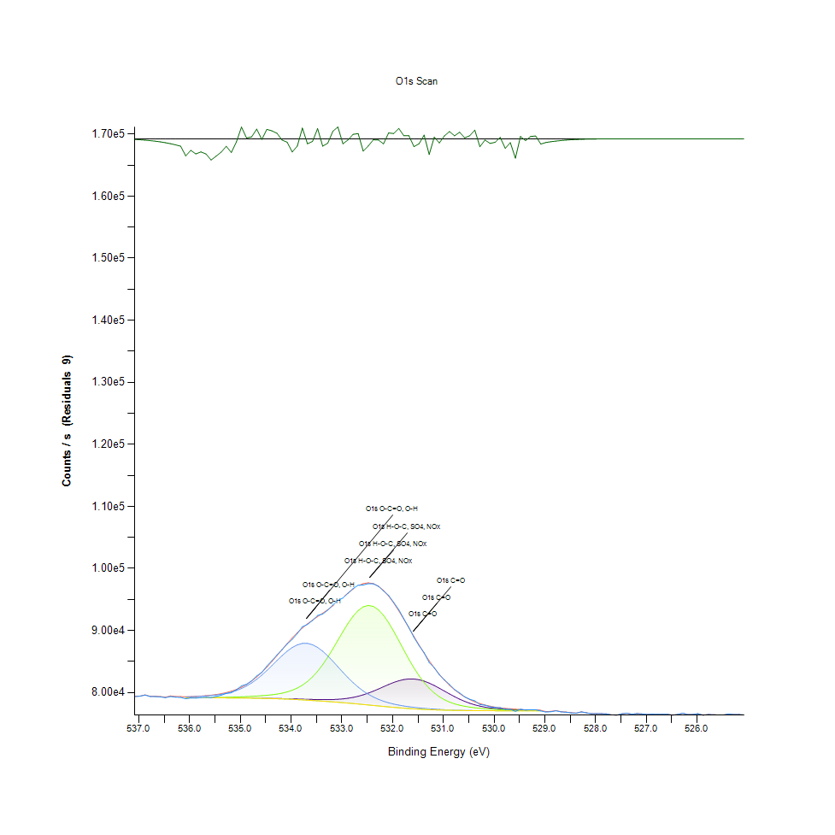
536.08 | 78982.4 | 79128.7 | 79136.9 | 79284.1 | 79128.6 | 79292.4 | -309.962 | 536.08 | 0.0033021451002 | 0.0034852499471 | 0.0034955128299 | 0.0036797440908 | 0.00348512479 | 0.0036901321306 | -0.095937880923
535.98 | 79116.5 | 79128.2 | 79140.5 | 79314.3 | 79128.1 | 79326.7 | -210.235 | 535.98 | 0.0034699807801 | 0.0034846241616 | 0.0035000184857 | 0.003717541537 | 0.0034844990045 | 0.0037330610182 | -0.095813065496
535.88 | 79093.2 | 79127.7 | 79145.7 | 79350.2 | 79127.6 | 79368.4 | -275.124 | 535.88 | 0.0034408191743 | 0.0034839983761 | 0.0035065266552 | 0.0037624729382 | 0.003483873219 | 0.0037852515316 | -0.095894278691
535.78 | 79181.5 | 79127.2 | 79152.8 | 79393.8 | 79127.1 | 79419.7 | -238.236 | 535.78 | 0.0035513328994 | 0.0034833725905 | 0.0035154128098 | 0.0038170414367 | 0.0034832474334 | 0.0038494571273 | -0.095848110737
535.68 | 79207.9 | 79126.7 | 79162.2 | 79448 | 79126.4 | 79484 | -276.092 | 535.68 | 0.0035843743755 | 0.003482746805 | 0.0035271775778 | 0.0038848765885 | 0.0034823713337 | 0.0039299331468 | -0.095895490211
535.58 | 79179.4 | 79126 | 79174.1 | 79516.7 | 79125.5 | 79565.7 | -386.287 | 535.58 | 0.0035487046002 | 0.0034818707052 | 0.0035420712735 | 0.0039708595207 | 0.0034812449197 | 0.0040321865029 | -0.096033407085
535.48 | 79354.1 | 79125.1 | 79188.8 | 79605.2 | 79124.3 | 79670.5 | -316.401 | 535.48 | 0.0037673540654 | 0.0034807442913 | 0.0035604693682 | 0.00408162356 | 0.0034797430344 | 0.0041633511506 | -0.09594593979
535.38 | 79564.2 | 79123.7 | 79206.5 | 79720.6 | 79122.5 | 79805.9 | -241.677 | 535.38 | 0.0040303091463 | 0.0034789920918 | 0.0035826221761 | 0.004226054861 | 0.0034774902065 | 0.0043328138729 | -0.095852417393
535.28 | 79844.6 | 79122 | 79227.4 | 79871.7 | 79120 | 79981 | -136.422 | 535.28 | 0.0043812496732 | 0.003476864421 | 0.0036087800113 | 0.0044151672491 | 0.0034743612789 | 0.0045519639666 | -0.095720683281
535.18 | 79957.7 | 79119.5 | 79251.4 | 80068.7 | 79116.6 | 80206.5 | -248.787 | 535.18 | 0.0045228023607 | 0.0034737354933 | 0.0036388177169 | 0.004661726749 | 0.0034701059372 | 0.0048341932419 | -0.095861316064
535.08 | 80438.5 | 79116.1 | 79278.5 | 80322.9 | 79111.7 | 80494.1 | -55.6327 | 535.08 | 0.0051245577292 | 0.0034694801517 | 0.0036727352928 | 0.004979876114 | 0.003463973239 | 0.0051941450805 | -0.09561956973
534.98 | 81070.5 | 79111.7 | 79309.1 | 80646.7 | 79105.4 | 80856.7 | 213.804 | 534.98 | 0.0059155506428 | 0.003463973239 | 0.0037110333674 | 0.0053851348251 | 0.0034560883413 | 0.005647964749 | -0.095282350553
534.88 | 81320.8 | 79106.2 | 79343.7 | 81050.8 | 79097.4 | 81306 | 14.837 | 534.88 | 0.0062288188806 | 0.0034570895981 | 0.0037543377263 | 0.0058908946928 | 0.0034460757728 | 0.0062102956288 | -0.095531371893
534.78 | 81886.6 | 79099.3 | 79382.9 | 81543.2 | 79087.1 | 81851.1 | 35.51 | 534.78 | 0.0069369577897 | 0.0034484537578 | 0.0038033993121 | 0.0065071682857 | 0.0034331845908 | 0.0068925270169 | -0.095505498164
534.68 | 82674.4 | 79091 | 79428.3 | 82127.3 | 79074.6 | 82497.4 | 176.988 | 534.68 | 0.0079229454754 | 0.0034380657179 | 0.0038602206385 | 0.0072382109452 | 0.0034175399525 | 0.0077014173967 | -0.095328428393
534.58 | 83232.2 | 79081 | 79482.7 | 82799 | 79059.4 | 83243.9 | -11.6748 | 534.58 | 0.0086210718159 | 0.0034255500073 | 0.0039283061044 | 0.0080788912302 | 0.0033985160723 | 0.0086357151974 | -0.095564553295
534.48 | 84253.2 | 79069 | 79549.5 | 83545 | 79041.1 | 84081.3 | 171.945 | 534.48 | 0.0098989258742 | 0.0034105311545 | 0.0040119110516 | 0.0090125632453 | 0.0033756123218 | 0.009683780808 | -0.095334740066
534.38 | 85136.9 | 79054.7 | 79634.4 | 84341.7 | 79019.3 | 84992.3 | 144.62 | 534.38 | 0.011004939225 | 0.0033926336883 | 0.0041181694351 | 0.010009689914 | 0.0033483280725 | 0.010823962049 | -0.095368939245
534.28 | 86051.5 | 79038.1 | 79745.7 | 85155.8 | 78994 | 85951.7 | 99.7608 | 534.28 | 0.012149626122 | 0.0033718576086 | 0.0042574692948 | 0.011028593918 | 0.0033166633246 | 0.01202471933 | -0.095425083722
534.18 | 86905.4 | 79019.2 | 79894 | 85944.7 | 78964.8 | 86928.2 | -22.8017 | 534.18 | 0.013218342655 | 0.0033482029154 | 0.0044430772838 | 0.012015958332 | 0.0032801174494 | 0.013246878475 | -0.095578479401
534.08 | 87825.9 | 78998.2 | 80093.3 | 86661 | 78932.1 | 87888.3 | -62.4332 | 534.08 | 0.014370413821 | 0.003321919923 | 0.0046925153973 | 0.012912458687 | 0.0032391910756 | 0.014448511856 | -0.095628081039
533.98 | 88561.4 | 78975.3 | 80360.8 | 87255.8 | 78895.7 | 88800.5 | -239.025 | 533.98 | 0.01529094434 | 0.0032932589456 | 0.0050273106574 | 0.013656893157 | 0.0031936338888 | 0.015590194982 | -0.095849098227
533.88 | 89508.3 | 78950.9 | 80715.8 | 87684.4 | 78855.5 | 89640.2 | -131.898 | 533.88 | 0.016476056982 | 0.0032627206116 | 0.0054716183858 | 0.014193316515 | 0.0031433207319 | 0.016641139206 | -0.095715021173
533.78 | 90590 | 78925.9 | 81180 | 87912.4 | 78811.8 | 90394.7 | 195.244 | 533.78 | 0.017829881404 | 0.003231431335 | 0.0060525976745 | 0.014478674718 | 0.0030886270764 | 0.017585449575 | -0.095305579712
533.68 | 90975.2 | 78901.6 | 81774.5 | 87919.1 | 78764.9 | 91065.3 | -90.172 | 533.68 | 0.018311986579 | 0.0032010181581 | 0.0067966566732 | 0.014487060245 | 0.0030299283934 | 0.018424753132 | -0.095662798119
533.58 | 91619.8 | 78879.3 | 82517.2 | 87700.1 | 78714.7 | 91667.1 | -47.2838 | 533.58 | 0.019118749288 | 0.0031731081233 | 0.0077261985038 | 0.014212966181 | 0.0029670995259 | 0.019177948599 | -0.095609120489
533.48 | 92413.9 | 78861.6 | 83419.9 | 87269.2 | 78661.8 | 92227.2 | 186.719 | 533.48 | 0.020112621871 | 0.0031509553154 | 0.008855991705 | 0.013673664209 | 0.0029008914165 | 0.019878953553 | -0.095316249355
533.38 | 92644.4 | 78851.8 | 84483.9 | 86655.4 | 78606.4 | 92778.1 | -133.734 | 533.38 | 0.020401109002 | 0.003138689919 | 0.010187663319 | 0.012905449889 | 0.0028315543794 | 0.020568444054 | -0.095717319058
533.28 | 93270.8 | 78853 | 85695.4 | 85898.8 | 78548.4 | 93350.4 | -79.6192 | 533.28 | 0.021185093118 | 0.0031401918043 | 0.011703941665 | 0.01195851122 | 0.0027589632576 | 0.021284718175 | -0.09564959054
533.18 | 94101.8 | 78869.8 | 87023.8 | 85046.8 | 78487.5 | 93965.4 | 136.391 | 533.18 | 0.022225148674 | 0.0031612181982 | 0.013366528669 | 0.010892172672 | 0.0026827425797 | 0.02205443438 | -0.095379238424
533.08 | 94844.6 | 78907.8 | 88420.5 | 84148.6 | 78424.1 | 94628.8 | 215.863 | 533.08 | 0.023154815661 | 0.0032087778987 | 0.015114597977 | 0.0097680115407 | 0.0026033929741 | 0.022884726625 | -0.095279773568
532.98 | 95235.1 | 78972.9 | 89819 | 83248.9 | 78357.7 | 95325.5 | -90.3248 | 532.98 | 0.023643554162 | 0.0032902551751 | 0.016864920113 | 0.0086419730527 | 0.0025202886553 | 0.023756696187 | -0.095662989359
532.88 | 96000.4 | 79071.3 | 91140.2 | 82385.6 | 78288.3 | 96020.6 | -20.1442 | 532.88 | 0.024601381499 | 0.0034134097679 | 0.018518495805 | 0.0075614917516 | 0.0024334296234 | 0.024626663235 | -0.095575153351
532.78 | 96744.2 | 79209.2 | 92298.6 | 81587.1 | 78216 | 96663 | 81.219 | 532.78 | 0.025532300058 | 0.0035860014179 | 0.019968315728 | 0.0065621122555 | 0.0023429410353 | 0.025430672487 | -0.095448290102
532.68 | 97287.3 | 79392 | 93211.4 | 80871.7 | 78141.4 | 97192.3 | 95.0511 | 532.68 | 0.026212028304 | 0.0038147886088 | 0.021110749796 | 0.0056667383149 | 0.0022495738338 | 0.026093129053 | -0.095430978246
532.58 | 97323.7 | 79622 | 93807.3 | 80247.4 | 78064.7 | 97547.2 | -223.556 | 532.58 | 0.026257585491 | 0.0041026499539 | 0.021856560995 | 0.0048853824985 | 0.002153578333 | 0.026537311624 | -0.095829737674
532.48 | 97546.2 | 79898.5 | 94035.9 | 79714.4 | 77986.5 | 97675.9 | -129.646 | 532.48 | 0.026536060053 | 0.0044487093536 | 0.02214267014 | 0.0042182951204 | 0.0020557054757 | 0.02669838882 | -0.095712202635
532.38 | 97525.5 | 80216.5 | 93874.4 | 79267.5 | 77907.7 | 97543 | -17.5163 | 532.38 | 0.026510152532 | 0.0048467089526 | 0.021940541413 | 0.0036589680111 | 0.0019570816757 | 0.026532055025 | -0.095571864347
532.28 | 97111.7 | 80565.6 | 93330.1 | 78897.5 | 77829.3 | 97134.6 | -22.8636 | 532.28 | 0.025992252425 | 0.0052836324117 | 0.021259311282 | 0.0031958867167 | 0.0018589585041 | 0.026020913402 | -0.095578556873
532.18 | 96366.8 | 80929.6 | 92439.7 | 78593.2 | 77752 | 96458.3 | -91.5421 | 532.18 | 0.025059957138 | 0.0057392042797 | 0.020144912405 | 0.0028150336414 | 0.0017622120607 | 0.02517447589 | -0.095664512896
532.08 | 95649.2 | 81287.9 | 91264.8 | 78343.4 | 77676.9 | 95542.3 | 106.908 | 532.08 | 0.024161829741 | 0.0061876421926 | 0.01867444156 | 0.0025023911891 | 0.0016682190737 | 0.024028036794 | -0.095416138493
531.98 | 94524.8 | 81616.8 | 89884 | 78138 | 77604.8 | 94429.1 | 95.7162 | 531.98 | 0.022754563234 | 0.0065992839161 | 0.016946272232 | 0.0022453184922 | 0.0015779807998 | 0.022634787883 | -0.095430145826
531.88 | 93359.1 | 81891.4 | 88383.7 | 77968 | 77536.8 | 93169.5 | 189.569 | 531.88 | 0.021295606843 | 0.0069429653308 | 0.015068540162 | 0.002032551411 | 0.0014928739674 | 0.021058308969 | -0.095312682377
531.78 | 91872.4 | 82088.2 | 86848.3 | 77826 | 77473.2 | 91816 | 56.4459 | 531.78 | 0.019434896139 | 0.0071892745166 | 0.013146877947 | 0.0018548283196 | 0.0014132740476 | 0.019364307531 | -0.095479295398
531.68 | 90474.4 | 82188.8 | 85352.6 | 77706.4 | 77414.9 | 90418 | 56.4975 | 531.68 | 0.017685199789 | 0.0073151825658 | 0.011274903104 | 0.0017051404201 | 0.0013403074544 | 0.017614611181 | -0.095479230816
531.58 | 88876.2 | 82181.1 | 83956.1 | 77604.7 | 77362.1 | 89017.8 | -141.648 | 531.58 | 0.015684938912 | 0.0073055454686 | 0.0095270841105 | 0.0015778556427 | 0.0012742245022 | 0.015862161375 | -0.095727223991
531.48 | 87560.2 | 82061.7 | 82699.9 | 77517.4 | 77314.7 | 87649.8 | -89.593 | 531.48 | 0.014037871389 | 0.0071561078833 | 0.0079548605376 | 0.0014685934887 | 0.0012149000336 | 0.014150012157 | -0.095662073459
531.38 | 86408 | 81836.2 | 81607.1 | 77442.3 | 77272.8 | 86340.1 | 67.8665 | 531.38 | 0.012595811207 | 0.006873878608 | 0.0065871436768 | 0.0013746005016 | 0.001162459206 | 0.012510829532 | -0.095465001705
531.28 | 84822.7 | 81518.2 | 80684.2 | 77377.2 | 77236 | 85107.7 | -285 | 531.28 | 0.010611695596 | 0.006475879009 | 0.0054320687401 | 0.0012931232253 | 0.0011164013908 | 0.01096839335 | -0.095906639207
531.18 | 83998.4 | 81127.9 | 79925.1 | 77320.8 | 77203.9 | 83966 | 32.3804 | 531.18 | 0.0095800255666 | 0.005987390822 | 0.004482001144 | 0.0012225346171 | 0.0010762259595 | 0.0095394746641 | -0.095509415081
531.08 | 82848.6 | 80689.5 | 79314.8 | 77271.9 | 77176.2 | 82923.9 | -75.2243 | 531.08 | 0.0081409691551 | 0.0054387020667 | 0.0037181673225 | 0.001161332792 | 0.001041557441 | 0.0082352124563 | -0.09564409001
530.98 | 82040.2 | 80228.5 | 78833.5 | 77230 | 77152.6 | 81986.8 | 53.4099 | 530.98 | 0.0071291991054 | 0.0048617278054 | 0.0031157861685 | 0.0011088919644 | 0.0010120203639 | 0.0070623652105 | -0.095483095167
530.88 | 81289.1 | 79768.4 | 78459.2 | 77194 | 77132.3 | 81156.9 | 132.186 | 530.88 | 0.0061891440778 | 0.004285879958 | 0.0026473231185 | 0.001063835406 | 0.00098661347123 | 0.0060236863829 | -0.09538450128
530.78 | 80488.3 | 79329.7 | 78170.9 | 77163.6 | 77115.3 | 80433.5 | 54.7587 | 530.78 | 0.0051868859683 | 0.0037368157314 | 0.0022864951802 | 0.0010257876456 | 0.00096533676311 | 0.0051182998739 | -0.095481407048
530.68 | 79933.4 | 78927.6 | 77949.6 | 77138.2 | 77101.1 | 79813.1 | 120.36 | 530.68 | 0.0044923891838 | 0.0032335590058 | 0.0020095225034 | 0.00099399774051 | 0.00094756445397 | 0.0043418251846 | -0.095399302359
530.58 | 79306.5 | 78571.8 | 77779.2 | 77117.3 | 77089.4 | 79289.5 | 16.9768 | 530.58 | 0.0037077792826 | 0.0027882500205 | 0.0017962547937 | 0.00096783990524 | 0.0009329210725 | 0.0036865025745 | -0.095528693781
530.48 | 78911 | 78266.8 | 77646.8 | 77100.4 | 77079.8 | 78854.4 | 56.6095 | 530.48 | 0.0032127829261 | 0.0024065208455 | 0.0016305467846 | 0.00094668835422 | 0.00092090599027 | 0.0031419440038 | -0.095479090641
530.38 | 78655.9 | 78013 | 77542.3 | 77086.9 | 77072.1 | 78498 | 157.912 | 530.38 | 0.0028935071472 | 0.0020888721089 | 0.0014997576082 | 0.00092979214483 | 0.00091126889306 | 0.0026958840759 | -0.095352303363
530.28 | 78066.1 | 77806.9 | 77458.3 | 77076.4 | 77066 | 78209.6 | -143.503 | 530.28 | 0.0021553305325 | 0.0018309233123 | 0.0013946256387 | 0.00091665064864 | 0.00090363430956 | 0.0023349309805 | -0.095729545655
530.18 | 77955.8 | 77643.1 | 77389.2 | 77068.3 | 77061.1 | 77978.3 | -22.5615 | 530.18 | 0.002017282244 | 0.0016259159717 | 0.001308142078 | 0.00090651292301 | 0.00089750161134 | 0.002045442593 | -0.095578178773
530.08 | 77710.3 | 77515.3 | 77331.3 | 77062.1 | 77057.3 | 77794.1 | -83.7281 | 530.08 | 0.0017100215473 | 0.0014659651895 | 0.0012356761133 | 0.0008987531824 | 0.00089274564128 | 0.0018149032026 | -0.09565473312
...

